M04
Speaker: M04 | Intelligibility: Very Low | Speech Vision Accuracy: 10.94

Model Name | Layers Frozen | Accuracy | Loss graph | Training accuracy graph
M04_E1.h5 | Encoder 1 | 7 | 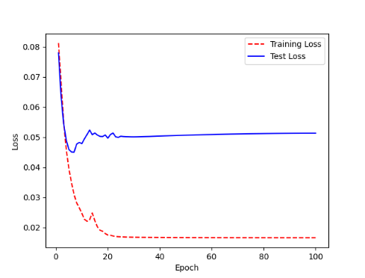 | 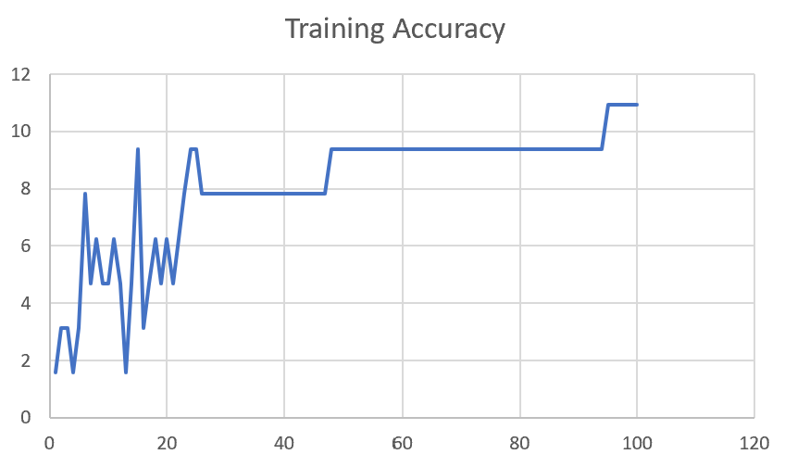

M04_E12.h5 | Encoder 12 | 5 | 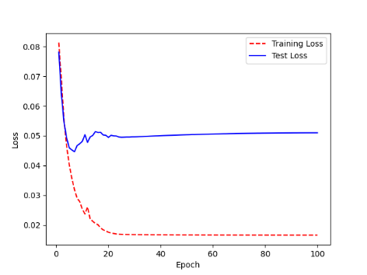 | 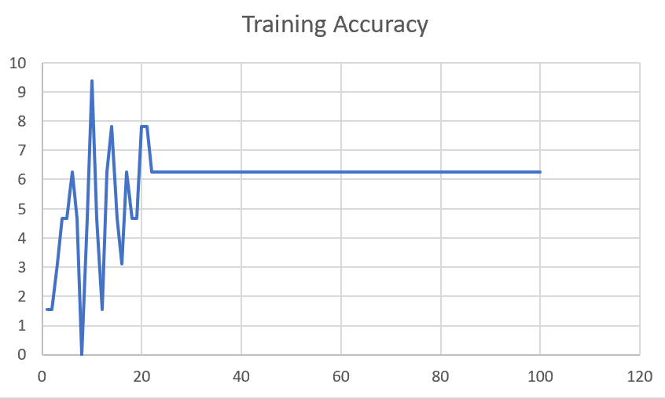

M04_E123 | Encoder 123 | 7 | 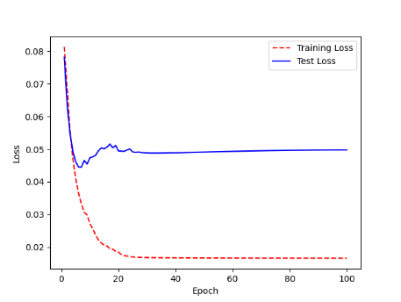 | 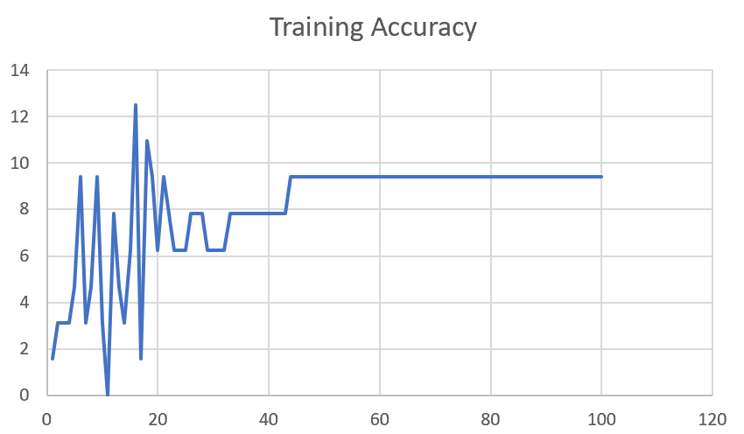

M04_E1234 | Encode 1234 | 6 |  | 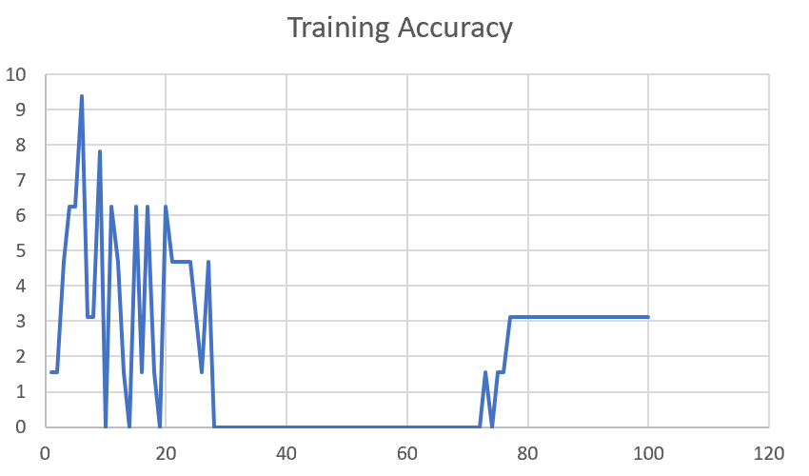

M04_E12345 | Encode 12345 | 6 | 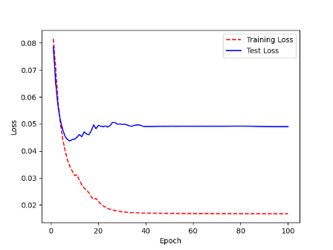 | 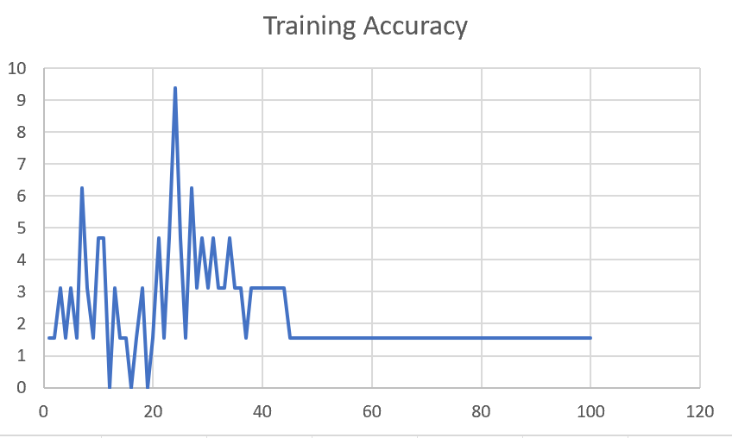

M04_TE | Token Embeddings | 7 | 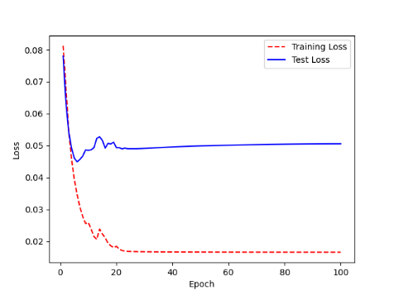 | 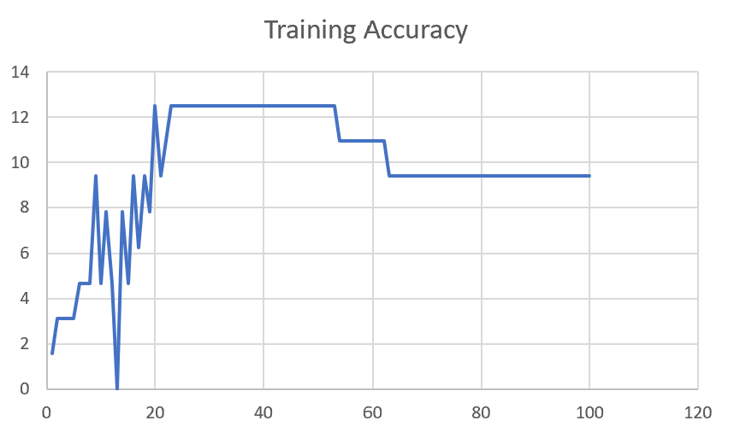

M04_T3+D123 | Token Embeddings + Decoder 1 | 6 | 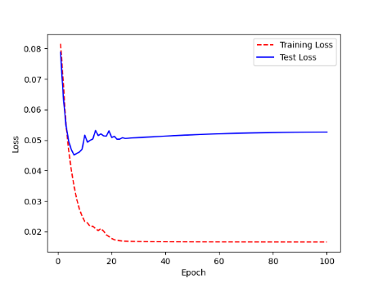 | 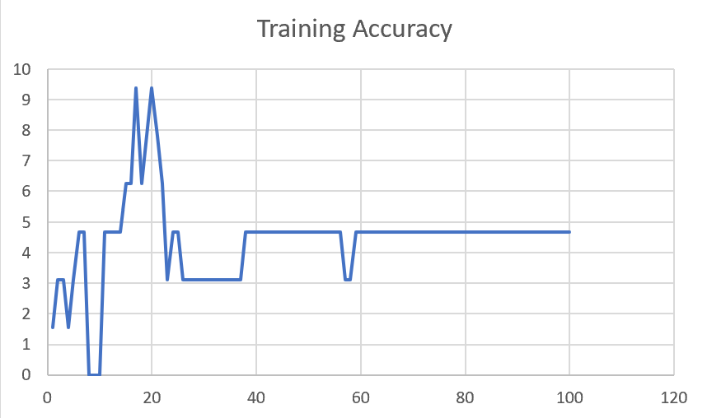

M04_T3+D12 | Token Embeddings + Decoder 12 | 6 | 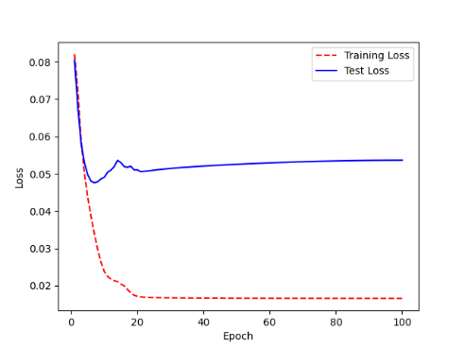 | 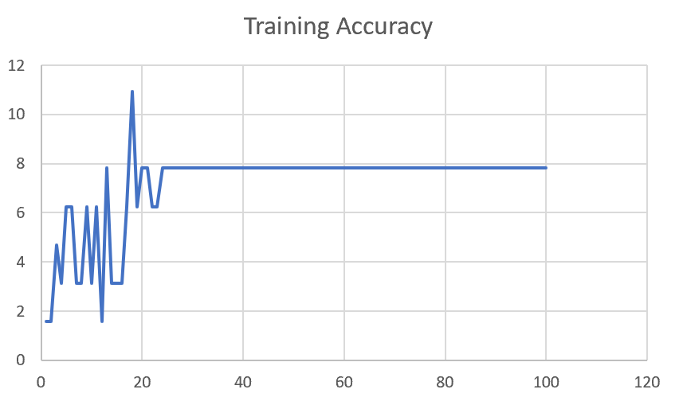

M04_T3+D1 | Token Embeddings + Decoder 123 | 5 | 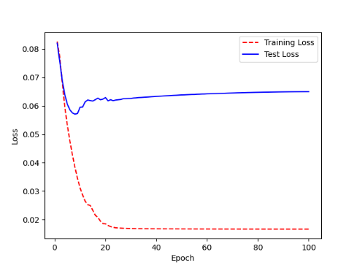 | 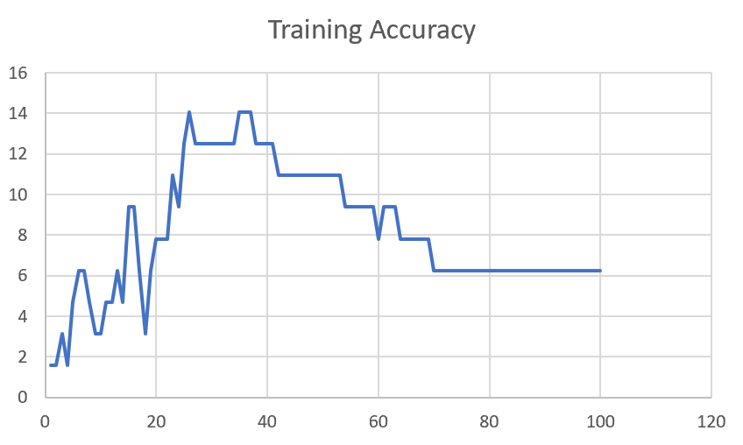

F02
Speaker: F02 | Intelligibility: Low | Speech Vision Accuracy: 67.02

Model Name | Layers Frozen | Accuracy | Loss graph | Training accuracy graph
F02_E1.h5 | Encoder 1 | 47 |  | 

F02_E12.h5 | Encoder 12 | 45 |  | 

F02_E123 | Encoder 123 | 47 |  | 

F02_E1234 | Encode 1234 | 43 |  | 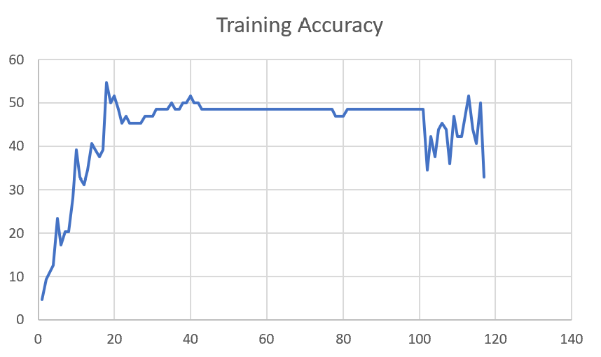

F02_E12345 | Encode 12345 | 41 | 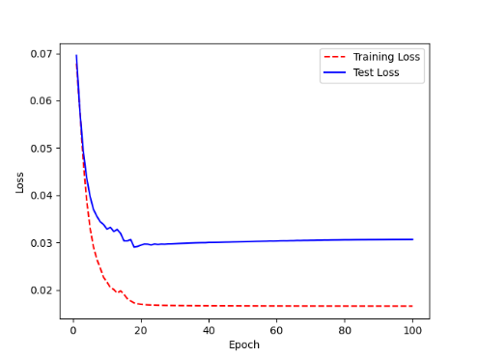 | 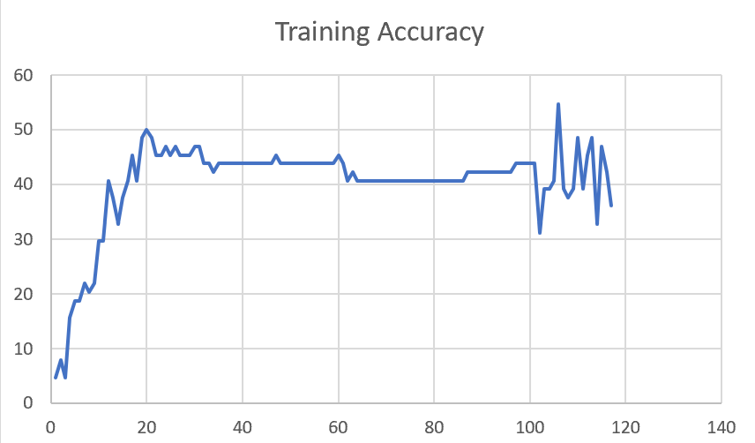

F02_t3 | Token Embeddings | 52 | 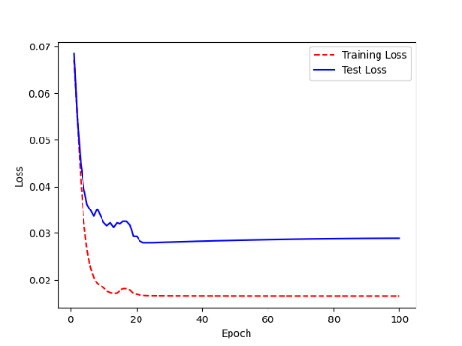 | 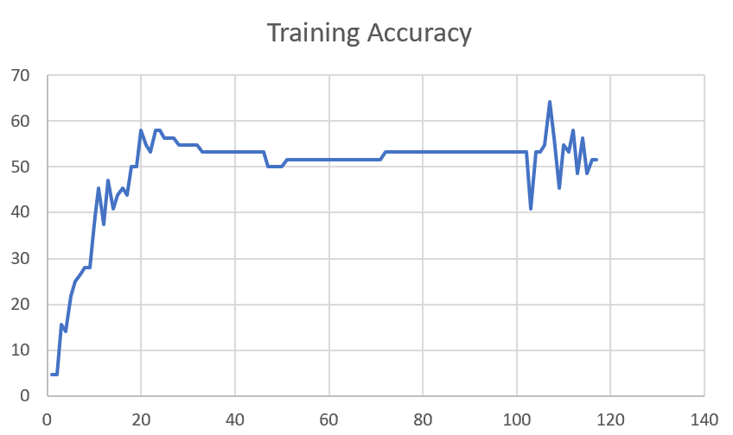

F02_T3+D123 | Token Embeddings + Decoder 123 | 45 | 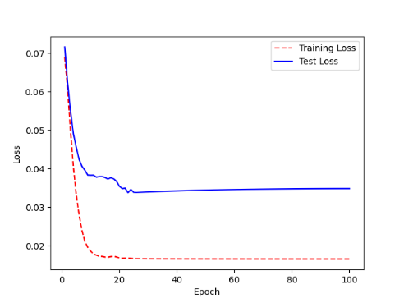 | 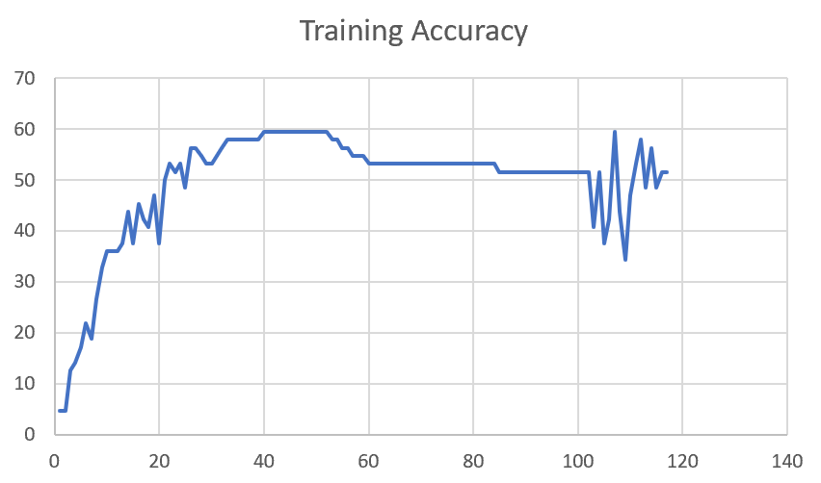

F02_T3+D12 | Token Embeddings + Decoder 12 | 50 | 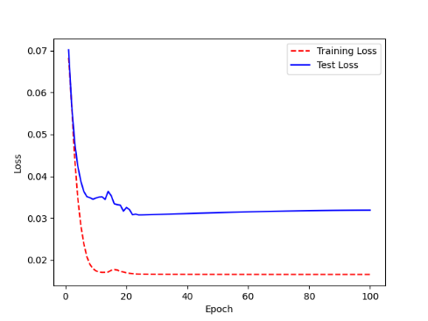 | 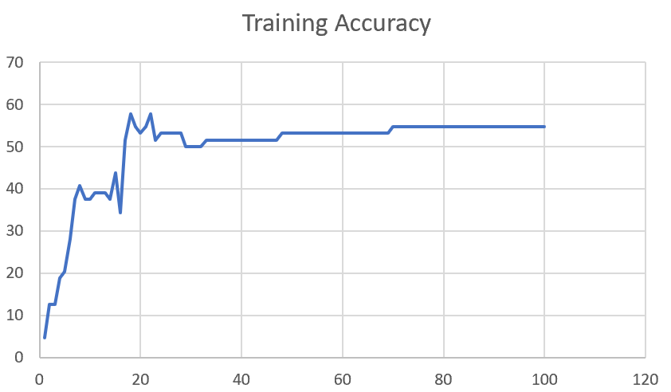

F02_T3+D1 | Token Embeddings + Decoder 1 | 50 | 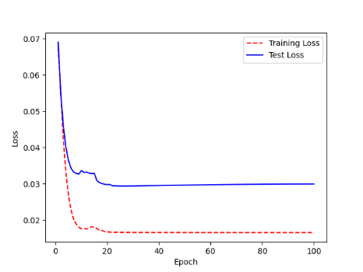 | 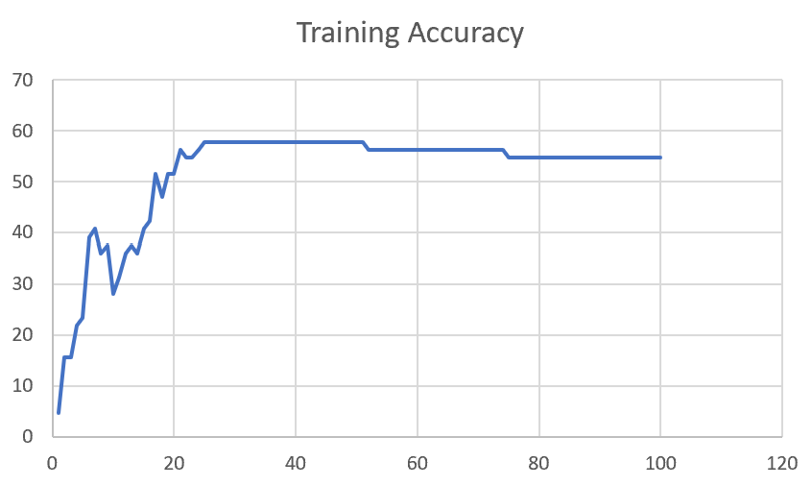

F03
Speaker: F03 | Intelligibility: Very Low | Speech Vision Accuracy: 32.47

Model Name | Layers Frozen | Accuracy | Loss graph | Training accuracy graph
F03_E1.h5 | Encoder 1 | 22 | 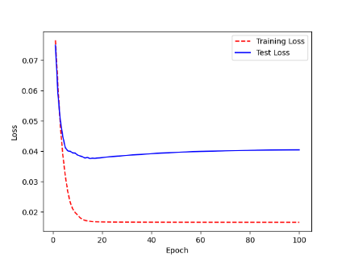 | 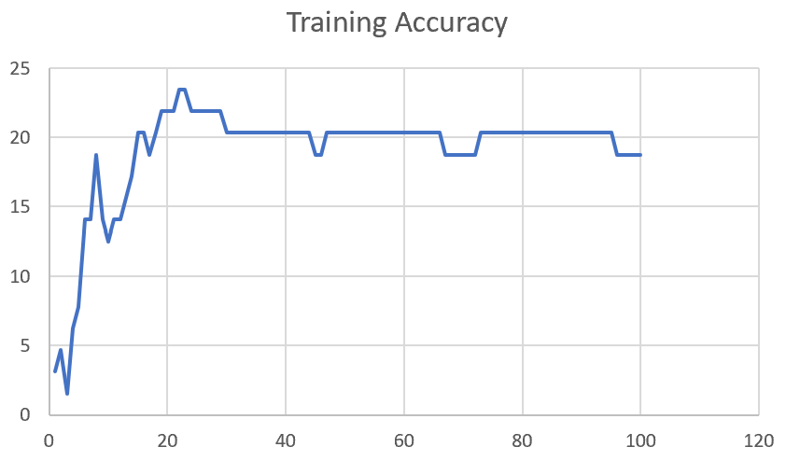

F03_E12.h5 | Encoder 12 | 25 | 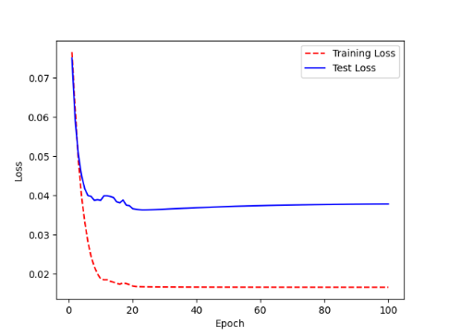 | 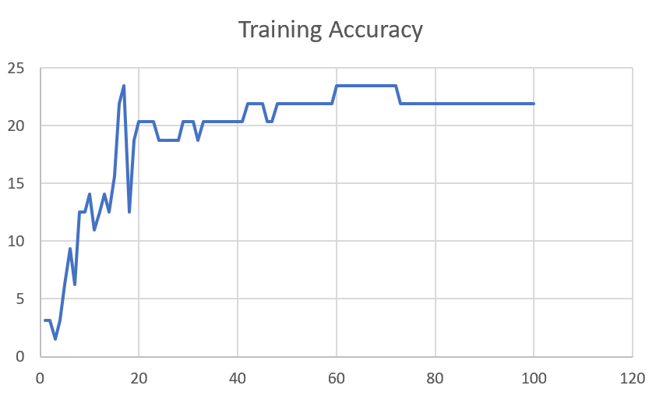

F03_E123 | Encoder 123 | 23 | 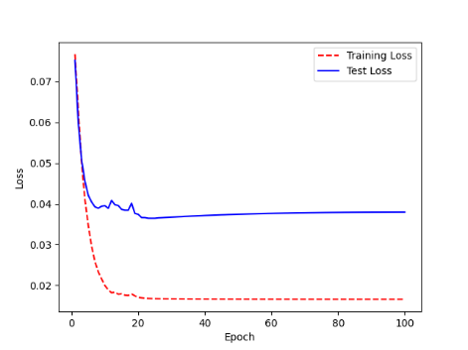 | 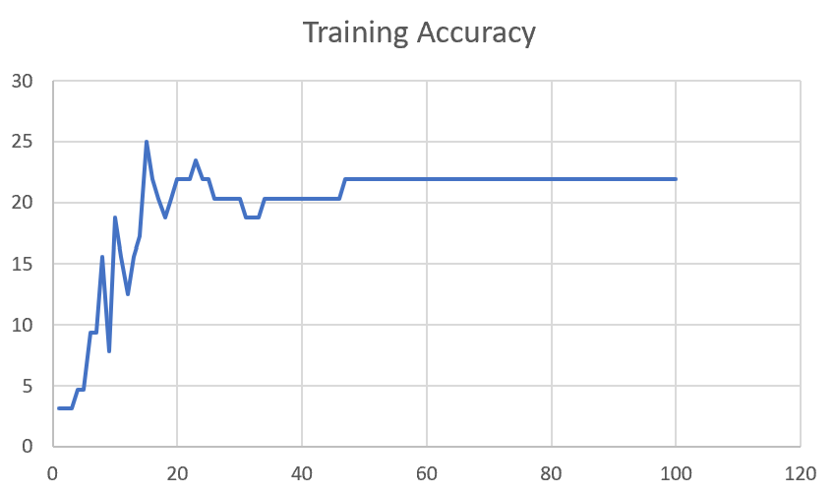

F03_E1234 | Encode 1234 | 20 | 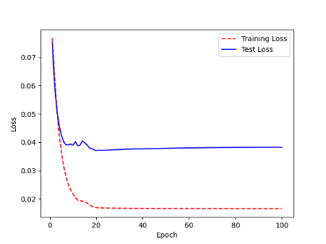 | 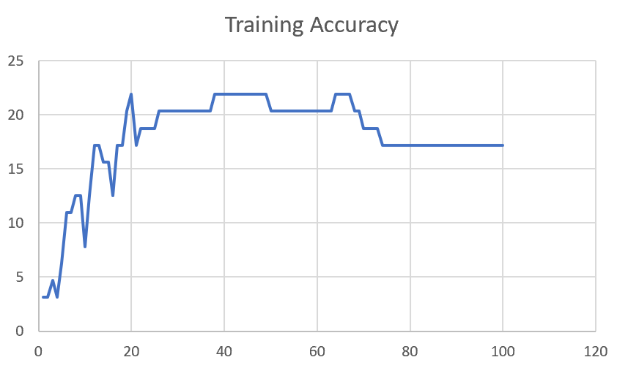

F03_E12345 | Encode 12345 | 19 |  | 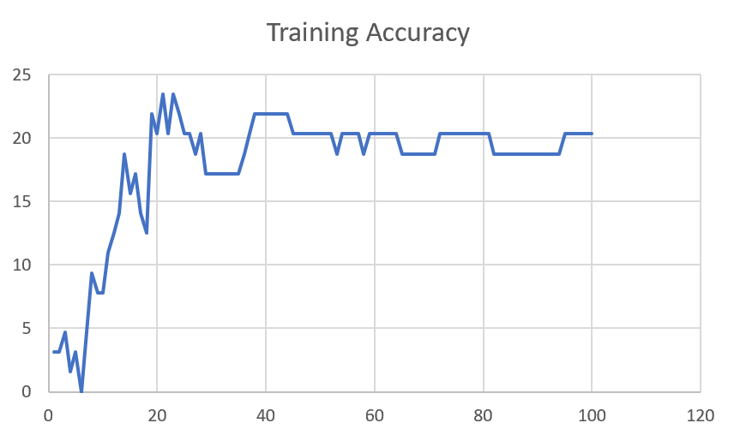

F03_TE | Token Embeddings | 28 |  | 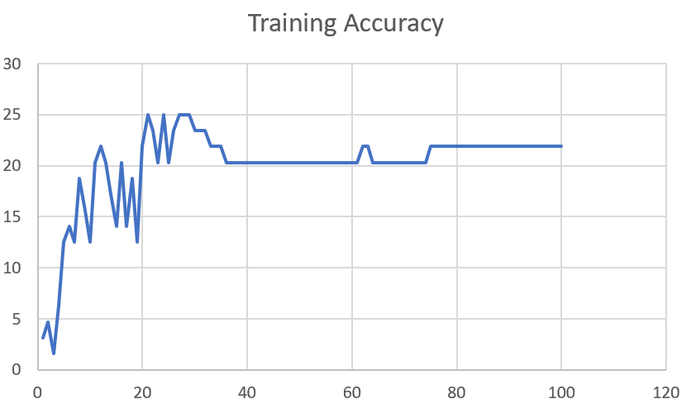

F03_T3+D123 | Token Embeddings + Decoder 1 | 29 |  | 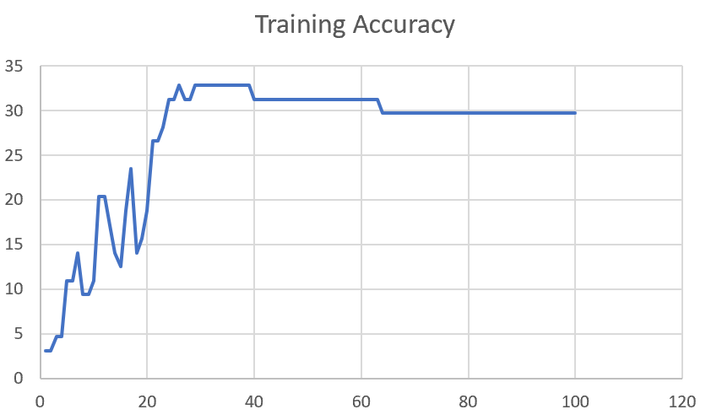

F03_T3+D12 | Token Embeddings + Decoder 12 | 25 | 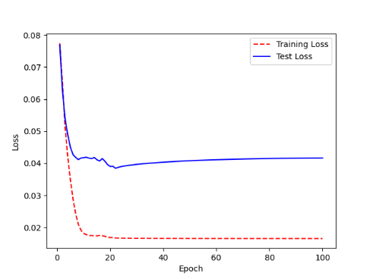 | 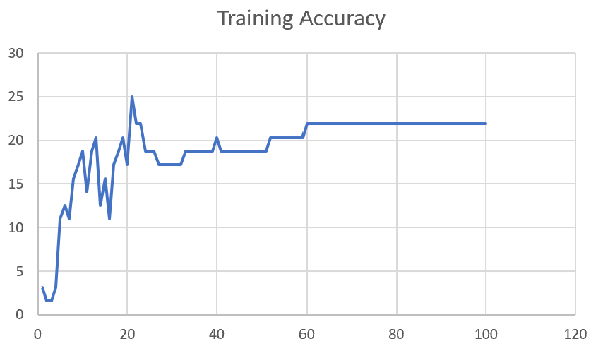

F03_T3+D1 | Token Embeddings + Decoder 123 | 22 | 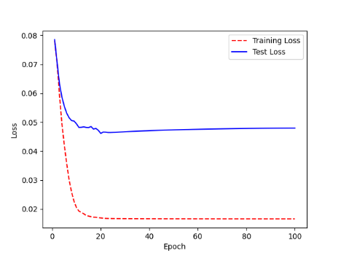 | 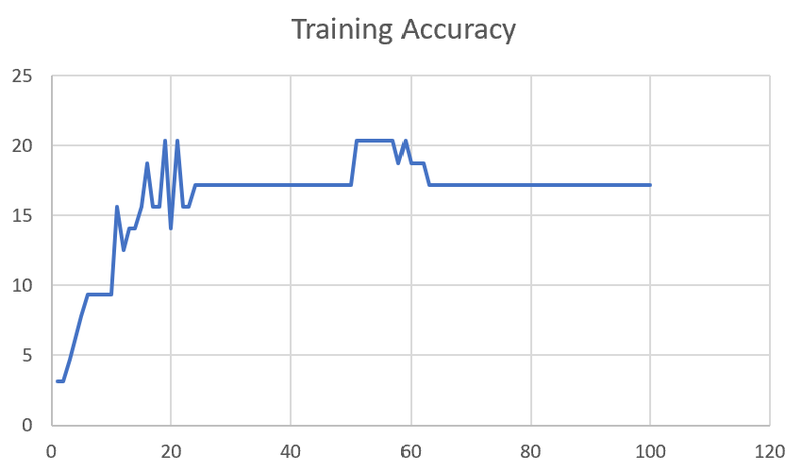

M12
Speaker: M12 | Intelligibility: Very Low | Speech Vision Accuracy: 40.65

Model Name | Layers Frozen | Accuracy | Loss graph | Training accuracy graph
M12_E1.h5 | Encoder 1 | 17 | 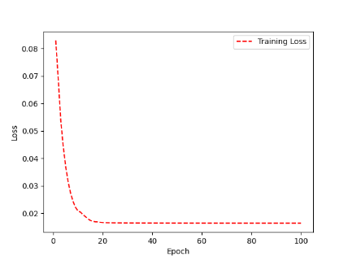 | 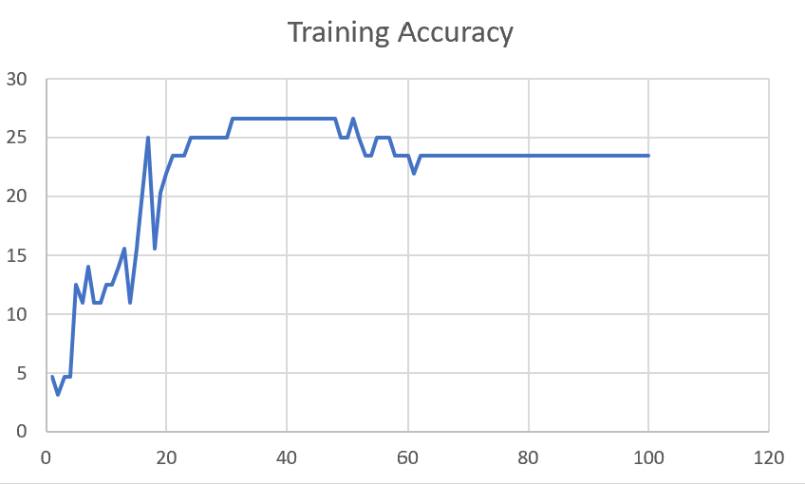

M12_E12.h5 | Encoder 12 | 18 |  | 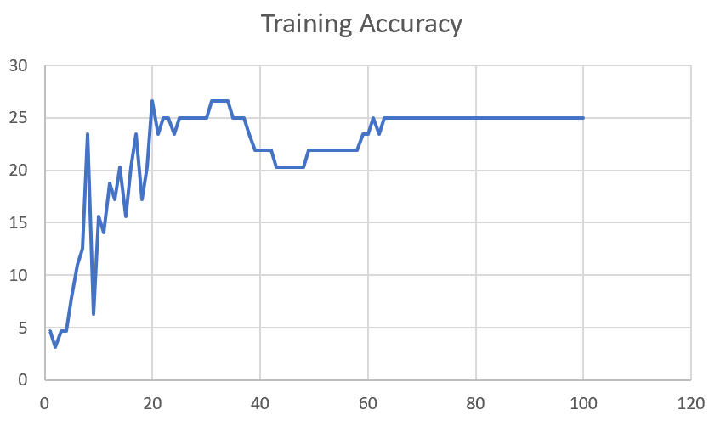

M12_E123 | Encoder 123 | 18 | 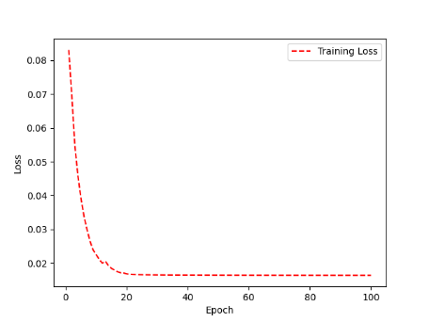 | 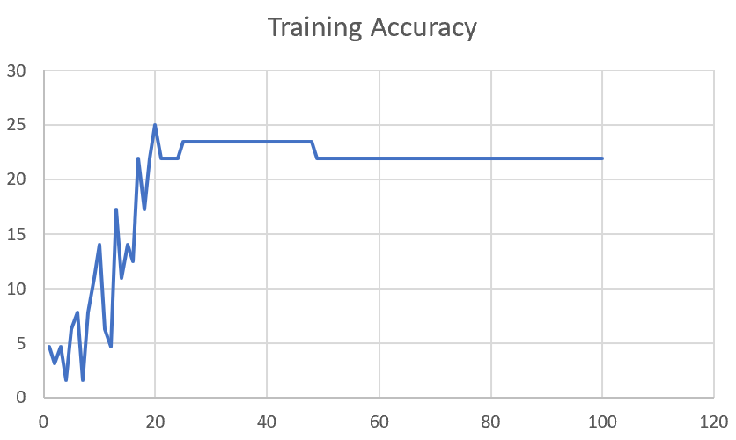

M12_E1234 | Encode 1234 | 14 | 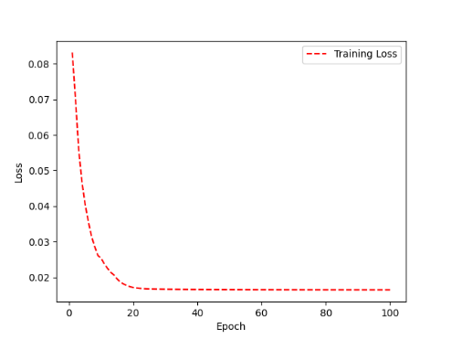 | 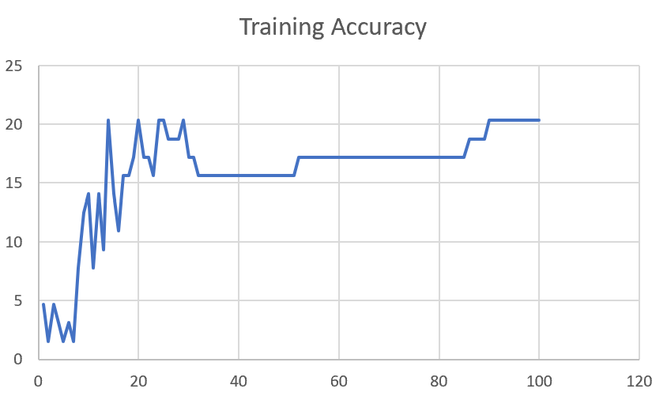

M12_E12345 | Encode 12345 | 16 |  | 

M12_TE | Token Embeddings | 19 |  | 

M12_T3+D123 | Token Embeddings + Decoder 1 | 17 |  | 

M12_T3+D12 | Token Embeddings + Decoder 12 | 16 |  | 

M12_T3+D1 | Token Embeddings + Decoder 123 | 13 |  | 

M12_D3 | Decoder 3 | 15 |  | 

M01
Speaker: M01 | Intelligibility: Very Low | Speech Vision Accuracy: 28.37

Model Name | Layers Frozen | Accuracy | Loss graph | Training accuracy graph
M01_E1.h5 | Encoder 1 | 24 |  | 

M01_E12.h5 | Encoder 12 | 22 |  | 

M01_E123 | Encoder 123 | 18 |  | 

M01_E1234 | Encode 1234 | 15 |  | 

M01_E12345 | Encode 12345 | 17 |  | 

M01_TE | Token Embeddings | 21 |  | 

M01_T3+D123 | Token Embeddings + Decoder 1 | 28 |  | 

M01_T3+D12 | Token Embeddings + Decoder 12 | 22 |  | 

M01_T3+D1 | Token Embeddings + Decoder 123 | 20 |  | 

M01_D3 | Decoder 3 | 26 |  | 

M07
Speaker: M07 | Intelligibility: Low | Speech Vision Accuracy: 69.46

Model Name | Layers Frozen | Accuracy | Loss graph | Training accuracy graph
M07_E1.h5 | Encoder 1 | 49 |  | 

M07_E12.h5 | Encoder 12 | 41 |  | 

M07_E123 | Encoder 123 | 39 |  | 

M07_E1234 | Encode 1234 | 35 |  | 

M07_E12345 | Encode 12345 | 38 |  | 

M07_TE | Token Embeddings | 49 |  | 

M07_T3+D123 | Token Embeddings + Decoder 1 | 47 |  | 

M07_T3+D12 | Token Embeddings + Decoder 12 | 50 |  | 

M07_T3+D1 | Token Embeddings + Decoder 123 | 48 |  | 

M01_D3 | Decoder 3 | 53 |  | 

M16
Speaker: M16 | Intelligibility: Low | Speech Vision Accuracy: 55.91

Model Name | Layers Frozen | Accuracy | Loss graph | Training accuracy graph
M16_E1.h5 | Encoder 1 | 56 |  | 

M16_E12.h5 | Encoder 12 | 50 |  | 

M16_E123 | Encoder 123 | 48 |  | 

M16_E1234 | Encode 1234 | 47 |  | 

M16_E12345 | Encode 12345 | 48 |  | 

M16_TE | Token Embeddings | 56 |  | 

M16_T3+D1 | Token Embeddings + Decoder 1 | 57 |  | 

M16_T3+D12 | Token Embeddings + Decoder 12 | 56 |  | 

M16_T3+D123 | Token Embeddings + Decoder 123 | 55 |  | 

M16_D3 | Decoder 3 | 57 |  | 

M05
Speaker: M05 | Intelligibility: Mild | Speech Vision Accuracy: 64.95

Model Name | Layers Frozen | Accuracy | Loss graph | Training accuracy graph
M05_E1.h5 | Encoder 1 | 52 |  | 

M05_E12.h5 | Encoder 12 | 48 |  | 

M05_E123 | Encoder 123 | 48 |  | 

M05_E1234 | Encode 1234 | 48 |  | 

M05_E12345 | Encode 12345 | 52 |  | 

M05_TE | Token Embeddings | 53 |  | 

M05_T3+D1 | Token Embeddings + Decoder 1 | 55 |  | 

M05_T3+D12 | Token Embeddings + Decoder 12 | 55 |  | 

M05_T3+D123 | Token Embeddings + Decoder 123 | 48 |  | 

M05_D3 | Decoder 3 | 56 |  | 

M11
Speaker: M11 | Intelligibility: Mild | Speech Vision Accuracy: 49.68

Model Name | Layers Frozen | Accuracy | Loss graph | Training accuracy graph
M11_E1.h5 | Encoder 1 | 41 |  | 

M11_E12.h5 | Encoder 12 | 43 |  | 

M11_E123 | Encoder 123 | 42 |  | 

M11_E1234 | Encode 1234 | 43 |  | 

M11_E12345 | Encode 12345 | 41 |  | 

M11_TE | Token Embeddings | 51 |  | 

M11_T3+D1 | Token Embeddings + Decoder 1 | 42 |  | 

M11_T3+D12 | Token Embeddings + Decoder 12 | 42 |  | 

M11_T3+D123 | Token Embeddings + Decoder 123 | 44 |  | 

M11_D3 | Decoder 3 | 49 |  | 

F04
Speaker: F04 | Intelligibility: Mild | Speech Vision Accuracy: 54.75

Model Name | Layers Frozen | Accuracy | Loss graph | Training accuracy graph
F04_E1.h5 | Encoder 1 | 55 |  | 

F04_E12.h5 | Encoder 12 | 51 |  | 

F04_E123 | Encoder 123 | 59 |  | 

F04_E1234 | Encode 1234 | 58 |  | 

F04_E12345 | Encode 12345 | 54 |  | 

F04_TE | Token Embeddings | 64 |  | 

F04_T3+D1 | Token Embeddings + Decoder 1 | 61 |  | 

F04_T3+D12 | Token Embeddings + Decoder 12 | 54 |  | 

F04_T3+D123 | Token Embeddings + Decoder 123 | 57 |  | 

F04_D3 | Decoder 3

M09
Speaker: M09 | Intelligibility: High | Speech Vision Accuracy: 85.16

Model Name | Layers Frozen | Accuracy | Loss graph | Training accuracy graph
M09_E1.h5 | Encoder 1 | 77 |  | 

M09_E12.h5 | Encoder 12 | 78 |  | 

M09_E123 | Encoder 123 | 78 |  | 

M09_E1234 | Encode 1234 | 78 |  | 

M09_E12345 | Encode 12345 | 79 |  | 

M09_TE | Token Embeddings | 80 |  | 

M09_T3+D1 | Token Embeddings + Decoder 1 | 74 |  | 

M09_T3+D12 | Token Embeddings + Decoder 12 | 75 |  | 

M09_T3+D123 | Token Embeddings + Decoder 123 | 76 |  | 

M09_D3 | Decoder 3 | 82 |  | 

M14
Speaker: M14 | Intelligibility: High | Speech Vision Accuracy: 86.45

Model Name | Layers Frozen | Accuracy | Loss graph | Training accuracy graph
M14_E1.h5 | Encoder 1 | 78 |  | 

M14_E12.h5 | Encoder 12 | 77 |  | 

M14_E123 | Encoder 123 | 78 |  | 

M14_E1234 | Encode 1234 | 75 |  | 

M14_E12345 | Encode 12345

M14_TE | Token Embeddings

M14_T3+D1 | Token Embeddings + Decoder 1

M14_T3+D12 | Token Embeddings + Decoder 12

M14_T3+D123 | Token Embeddings + Decoder 123

M14_D3 | Decoder 3

Sheet1
 |  |  | Training Accuracy
0 | 0.421875 | 1 | 57.8125
1 | 0.421875 | 2 | 57.8125
2 | 0.40625 | 3 | 59.375
3 | 0.34375 | 4 | 65.625
4 | 0.328125 | 5 | 67.1875
5 | 0.265625 | 6 | 73.4375
6 | 0.265625 | 7 | 73.4375
7 | 0.34375 | 8 | 65.625
8 | 0.296875 | 9 | 70.3125
9 | 0.296875 | 10 | 70.3125
10 | 0.3125 | 11 | 68.75
11 | 0.28125 | 12 | 71.875
12 | 0.3125 | 13 | 68.75
13 | 0.359375 | 14 | 64.0625
14 | 0.34375 | 15 | 65.625
15 | 0.21875 | 16 | 78.125
16 | 0.234375 | 17 | 76.5625
17 | 0.25 | 18 | 75
18 | 0.25 | 19 | 75
19 | 0.234375 | 20 | 76.5625
20 | 0.21875 | 21 | 78.125
21 | 0.21875 | 22 | 78.125
22 | 0.21875 | 23 | 78.125
23 | 0.203125 | 24 | 79.6875
24 | 0.21875 | 25 | 78.125
25 | 0.21875 | 26 | 78.125
26 | 0.21875 | 27 | 78.125
27 | 0.21875 | 28 | 78.125
28 | 0.21875 | 29 | 78.125
29 | 0.21875 | 30 | 78.125
30 | 0.21875 | 31 | 78.125
31 | 0.21875 | 32 | 78.125
32 | 0.21875 | 33 | 78.125
33 | 0.21875 | 34 | 78.125
34 | 0.21875 | 35 | 78.125
35 | 0.21875 | 36 | 78.125
36 | 0.21875 | 37 | 78.125
37 | 0.21875 | 38 | 78.125
38 | 0.21875 | 39 | 78.125
39 | 0.21875 | 40 | 78.125
40 | 0.21875 | 41 | 78.125
41 | 0.21875 | 42 | 78.125
42 | 0.21875 | 43 | 78.125
43 | 0.21875 | 44 | 78.125
44 | 0.21875 | 45 | 78.125
45 | 0.21875 | 46 | 78.125
46 | 0.21875 | 47 | 78.125
47 | 0.21875 | 48 | 78.125
48 | 0.21875 | 49 | 78.125
49 | 0.203125 | 50 | 79.6875
50 | 0.203125 | 51 | 79.6875
51 | 0.203125 | 52 | 79.6875
52 | 0.203125 | 53 | 79.6875
53 | 0.203125 | 54 | 79.6875
54 | 0.203125 | 55 | 79.6875
55 | 0.203125 | 56 | 79.6875
56 | 0.203125 | 57 | 79.6875
57 | 0.203125 | 58 | 79.6875
58 | 0.203125 | 59 | 79.6875
59 | 0.203125 | 60 | 79.6875
60 | 0.203125 | 61 | 79.6875
61 | 0.203125 | 62 | 79.6875
62 | 0.203125 | 63 | 79.6875
63 | 0.203125 | 64 | 79.6875
64 | 0.203125 | 65 | 79.6875
65 | 0.203125 | 66 | 79.6875
66 | 0.203125 | 67 | 79.6875
67 | 0.203125 | 68 | 79.6875
68 | 0.203125 | 69 | 79.6875
69 | 0.203125 | 70 | 79.6875
70 | 0.203125 | 71 | 79.6875
71 | 0.203125 | 72 | 79.6875
72 | 0.203125 | 73 | 79.6875
73 | 0.203125 | 74 | 79.6875
74 | 0.203125 | 75 | 79.6875
75 | 0.203125 | 76 | 79.6875
76 | 0.203125 | 77 | 79.6875
77 | 0.203125 | 78 | 79.6875
78 | 0.203125 | 79 | 79.6875
79 | 0.203125 | 80 | 79.6875
80 | 0.203125 | 81 | 79.6875
81 | 0.203125 | 82 | 79.6875
82 | 0.203125 | 83 | 79.6875
83 | 0.203125 | 84 | 79.6875
84 | 0.203125 | 85 | 79.6875
85 | 0.203125 | 86 | 79.6875
86 | 0.203125 | 87 | 79.6875
87 | 0.203125 | 88 | 79.6875
88 | 0.203125 | 89 | 79.6875
89 | 0.203125 | 90 | 79.6875
90 | 0.203125 | 91 | 79.6875
91 | 0.203125 | 92 | 79.6875
92 | 0.203125 | 93 | 79.6875
93 | 0.203125 | 94 | 79.6875
94 | 0.203125 | 95 | 79.6875
95 | 0.203125 | 96 | 79.6875
96 | 0.203125 | 97 | 79.6875
97 | 0.203125 | 98 | 79.6875
98 | 0.203125 | 99 | 79.6875
99 | 0.203125 | 100 | 79.6875
<__main__.DisplayOutputs object at 0x7f2498306b50> | 0.203125 | #VALUE! | 79.6875
<__main__.DisplayOutputs object at 0x7f2498306b50> | 0.09375 | #VALUE! | 90.625
<__main__.DisplayOutputs object at 0x7f2498306b50> | 0.171875 | #VALUE! | 82.8125
<__main__.DisplayOutputs object at 0x7f2498306b50> | 0.296875 | #VALUE! | 70.3125
<__main__.DisplayOutputs object at 0x7f2498306b50> | 0.203125 | #VALUE! | 79.6875
<__main__.DisplayOutputs object at 0x7f2498306b50> | 0.328125 | #VALUE! | 67.1875
<__main__.DisplayOutputs object at 0x7f2498306b50> | 0.28125 | #VALUE! | 71.875
<__main__.DisplayOutputs object at 0x7f2498306b50> | 0.203125 | #VALUE! | 79.6875
<__main__.DisplayOutputs object at 0x7f2498306b50> | 0.234375 | #VALUE! | 76.5625
<__main__.DisplayOutputs object at 0x7f2498306b50> | 0.203125 | #VALUE! | 79.6875
<__main__.DisplayOutputs object at 0x7f2498306b50> | 0.1875 | #VALUE! | 81.25
<__main__.DisplayOutputs object at 0x7f2498306b50> | 0.21875 | #VALUE! | 78.125
<__main__.DisplayOutputs object at 0x7f2498306b50> | 0.171875 | #VALUE! | 82.8125
<__main__.DisplayOutputs object at 0x7f2498306b50> | 0.25 | #VALUE! | 75
<__main__.DisplayOutputs object at 0x7f2498306b50> | 0.234375 | #VALUE! | 76.5625
<__main__.DisplayOutputs object at 0x7f2498306b50> | 0.234375 | #VALUE! | 76.5625
<__main__.DisplayOutputs object at 0x7f2498306b50> | 0.29508196721 | #VALUE! | 70.491803279
<__main__.DisplayOutputs object at 0x7fcfe04bb910> | 0.640625
<__main__.DisplayOutputs object at 0x7fcfe04bb910> | 0.50819672131

